Onboarding Form
 |  |  | OCTANE ONBOARDING FORM New Users / Roles / Preferred Vendors

For each of the 3 sections, please complete all fields shaded GRAY and upload to your Comergence application. For questions on any section of this form, please contact your Account Executive.
I. COMPANY INFORMATION
FULL COMPANY NAME : (AS IT APPEARS IN NMLS Consumer Access)
HEADQUARTERS ADDRESS:
COMPANY NMLS # :
CHANNEL SELECTION (Required): Select from drop-down
IF CORRESPONDENT: |  |  |  | MERS as Original Mortgagee (MOM) (Yes/No):
 |  |  |  | MERS ORG ID:
USDA eAuth ID (if applicable):
Company IP Address: This is for security purposes in Octane, if you wish to use this your IP address is required. To find your IP address, please visit: http://ip4.me/ and copy and paste here --->
II. VENDORS
Credit Reporting Agency & Integration |  |  | Loan Origination System |  | Pricing Engine
Select Credit Service |  |  | Select Preferred LOS |  | Select Preferred Pricing Engine
II. PRIMARY USERS (additional users may be added later)
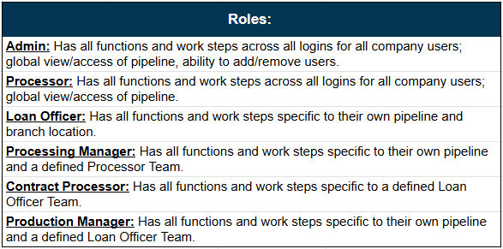
Please enter users full name as it appears on www.nmlsconsumeraccess.org/ |  |  | Please provide a unique email address for each user (and for each applicable branch - if applicable)
First Name | Middle Name or Initial | Last Name | Unique Email Address | Primary Phone | Role Select from drop-down | Individual NMLS ID#

Additional Notes:

